
 |  |  |  | CODE: |  |  | PL1269 aa SN from 98L000
DESCRIPTION: |  | ELECTRIC UNIT 3 |  | ELEKTRISCHE GRUPPE 3 | GROUPE ELECTRIQUE 3 | GRUPO ELÉCTRICO 3 | PARTI ELETTRICHE 3
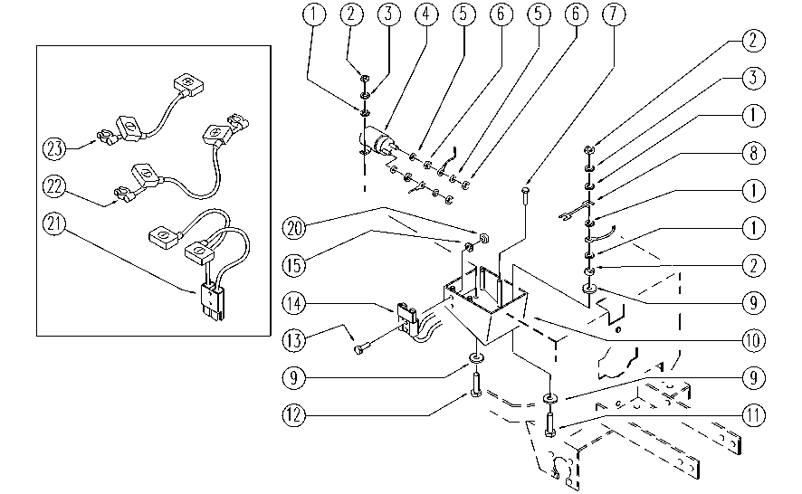

REF. | CODE | DESCRIPTION | QT
1 | E86704 | Washer D 6-18 | 8
2 | E86701 | Nut M6 | 6
3 | E86700 | Cham Washer D6 | 4
4 | E86420 | Relay | 1
5 | E86702 | Cham Washer D8 | 4
6 | E86703 | Nut M8 | 4
7 | SL04211 | SCREW | 4
8 | E86643 | Fuse 75 amp | 1
9 | E86881 | Washer | 6
10 | E86690 | AS24 Fuse Box Blade | 1
11 | E86668 | AS28 Screw | 2
12 | E86737 | Screw | 2
13 | E86597 | screw | 2
14 | SL23010 | CONNECTOR | 1
15 | E89275 | Washer | 2
20 | E89274 | Nut | 2
21 | SL23839 | WIRING | 1
22 | E86433 | Cable, 6 AWG, | 1
23 | SL23016 | BRIDGE / JUMPER | 1

